Home Page
Welcome to the Old Mutual sustainability and ESG data book. This Excel file contains our detailed ESG indicators and disclosures. It includes information mapped against the GRI, SASB, TCFD and JSE Sustainability Guidelines indicators. For ease and convenience, a detailed ESG index references selected indicators and disclosures across Old Mutual’s suite of reports.

CONTENT

NAVIGATION

FRAMEWORKS
GRI
SASB
TCFD
JSE

ESG DATA
GHG emissions
Responsible investment
Human capital
Remuneration
Governance
Ethics
Compliance
Data security and client privacy
Customers
Intermediaries
Communities
Procurement
Tax transparency
Associations
Policies

Remuneration
Key
SR | Old Mutual Limited Sustainability Report
RR | Old Mutual Limited Remuneration Report

Pay ratios

Pay ratios |  | 2023 | 2023 Page no. | 2022 | 2022 Page no.
Single-figure average total guaranteed package (TGP) bottom 5% |  | R193,325 | SR, 53 | R185,845 | SR, 49
Single-figure average TGP top 5% |  | R2,418,195 | SR, 53 | R2,308,004 | SR, 49
Pay ratio TGP |  | 12.5 | SR, 53 | 12.4 | SR, 49
Single-figure average TR (total remuneration) bottom 5% |  | R205,304 | SR, 53 | R192,144 | SR, 49
Single-figure average TR top 5% |  | R4,187,732 | SR, 53 | R3,677,286 | SR, 49
Pay ratio TR |  | 20.4 | SR, 53 | 19.1 | SR, 49

Group Remuneration Scorecard

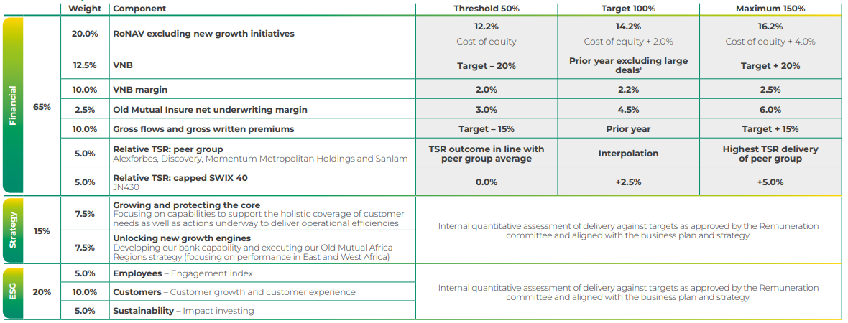
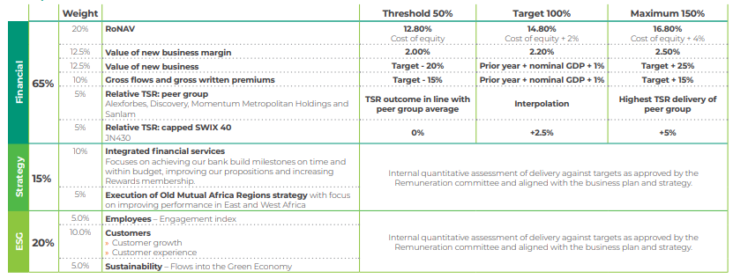
Group scorecard for STI and DPA |  | 2023 | 2023 Page no. | 2022 | 2022 Page no.
 |  |  | RR, 17 |  | RR, 19

