Home Page_
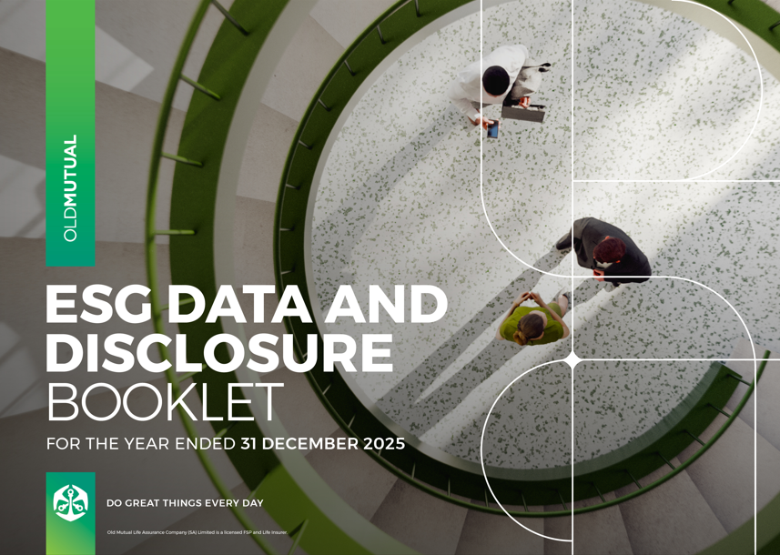
Welcome to the Old Mutual sustainability and ESG data book. This Excel file contains our detailed ESG indicators and disclosures. It includes information mapped against the GRI, SASB, TCFD and JSE Sustainability Guidelines indicators. For ease and convenience, a detailed ESG index references selected indicators and disclosures across Old Mutual’s suite of reports.
CONTENTS

FRAMEWORKS
GRI
SASB
TCFD
JSE

ESG DATA
GHG emissions
Responsible investment
Human capital
Remuneration
Occupational Health and Safety (OHS)
Governance
Ethics and Compliance
Customers
Intermediaries
Financial wellness
Transformation
Old Mutual Foundation
Procurement
Tax transparency
Associations
Policies

Remuneration
Pay ratios

Pay ratios | Notes | 2025 | 2024 | 2023 | 2022
Single-figure average total guaranteed package (TGP) bottom 5% |  | R 230,661 | R 215,035 | R 193,325 | R 185,845
Single-figure average TGP top 5% |  | R 2,675,788 | R 2,572,048 | R 2,418,195 | R 2,308,004
Pay ratio TGP |  | 11.6 | 12.0 | 12.5 | 12.4
Single-figure average TR (total remuneration) bottom 5% |  | R 243,030 | R 228,327 | R 205,304 | R 192,144
Single-figure average TR top 5% |  | R 4,794,574 | R 4,846,069 | R 4,187,732 | R 3,677,286
Pay ratio TR |  | 19.7 | 21.2 | 20.4 | 19.1

Group Remuneration Scorecard

Group scorecard for STI and DPA

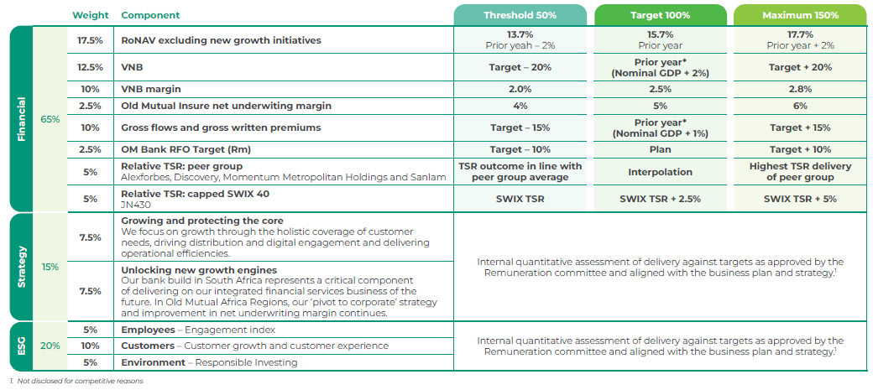
2025 |  |  | 2024 | 2023 | 2022
 |  |  |  |  | 